Gini Ratio
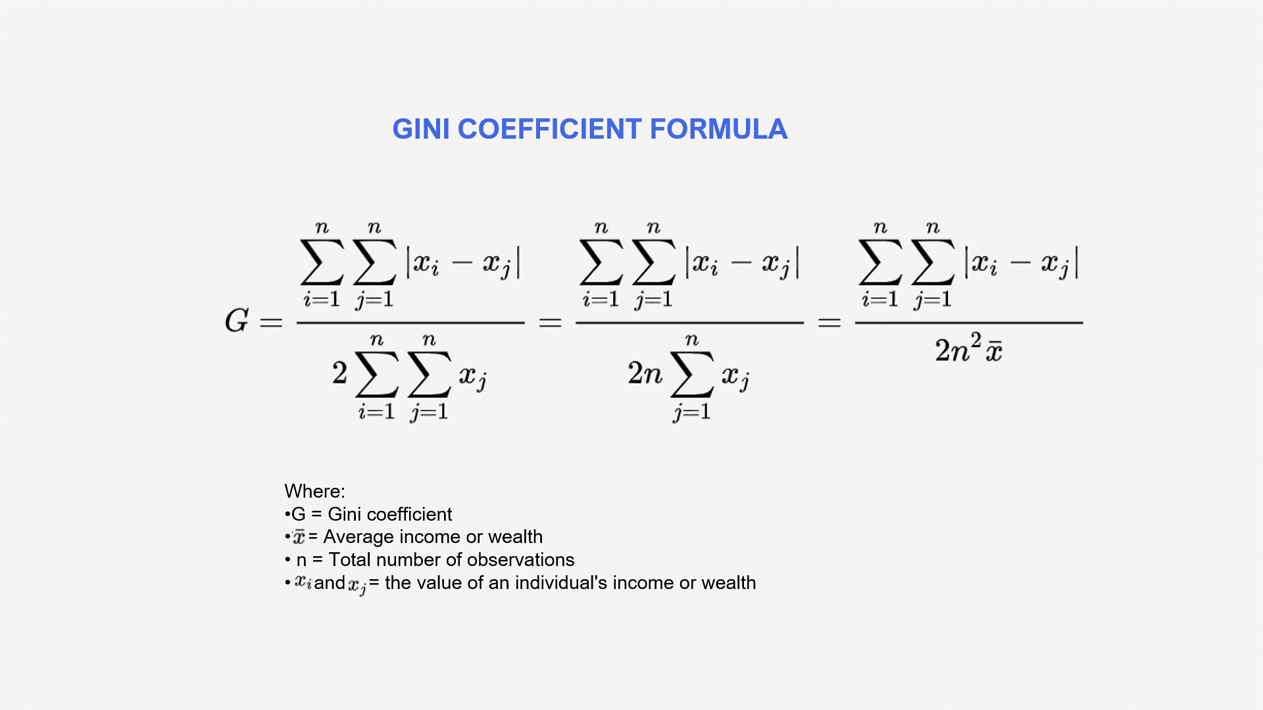
Date | RBLX | Cumulative values | Cumulative Proportion of Price | Cumulative Proportion of Population | Difference | Area under the curve
2021-04-01 | 74.55 | 74.55 | 0.05650 | 0.00152 | -0.05 | -0.0031
2021-05-01 | 93.77 | 168.32 | 0.07106 | 0.00227 | -0.07 | -0.0049
2021-06-01 | 89.98 | 258.30 | 0.06819 | 0.00303 | -0.07 | -0.0044
2021-07-01 | 76.98 | 335.28 | 0.05834 | 0.00379 | -0.05 | -0.0032
2021-08-01 | 82.05 | 417.33 | 0.06218 | 0.00455 | -0.06 | -0.0036
2021-09-01 | 75.55 | 492.88 | 0.05725 | 0.00530 | -0.05 | -0.0030
2021-10-01 | 84.02 | 576.90 | 0.06367 | 0.00606 | -0.06 | -0.0037
2021-11-01 | 126.10 | 703.00 | 0.09556 | 0.00682 | -0.09 | -0.0085
2021-12-01 | 103.16 | 806.16 | 0.07818 | 0.00758 | -0.07 | -0.0055
2022-01-01 | 65.86 | 872.02 | 0.04991 | 0.00834 | -0.04 | -0.0021
2022-02-01 | 51.57 | 923.59 | 0.03908 | 0.00909 | -0.03 | -0.0012
2022-03-01 | 46.24 | 969.83 | 0.03504 | 0.00985 | -0.03 | -0.0009
2022-04-01 | 30.65 | 1000.48 | 0.02323 | 0.01061 | -0.01 | -0.0003
2022-05-01 | 29.94 | 1030.42 | 0.02269 | 0.01137 | -0.01 | -0.0003
2022-06-01 | 32.86 | 1063.28 | 0.02490 | 0.01213 | -0.01 | -0.0003
2022-07-01 | 42.93 | 1106.21 | 0.03253 | 0.01288 | -0.02 | -0.0006
2022-08-01 | 39.11 | 1145.32 | 0.02964 | 0.01364 | -0.02 | -0.0005
2022-09-01 | 35.84 | 1181.16 | 0.02716 | 0.01440 | -0.01 | -0.0003
2022-10-01 | 44.74 | 1225.90 | 0.03391 | 0.01516 | -0.02 | -0.0006
2022-11-01 | 31.77 | 1257.67 | 0.02408 | 0.01591 | -0.01 | -0.0002
2022-12-01 | 28.46 | 1286.13 | 0.02157 | 0.01667 | 0.00 | -0.0001
2023-01-01 | 33.41 | 1319.54 | 0.02532 | 0.01743 | -0.01 | -0.0002

Gini Ratio | 0.45

The closer the Gini ratio is to 0, the more equally distributed the stock prices are, while a value closer to 1 indicates higher inequality.

